M39029 PINS
SPEC | - BIN | AWG Wire | Pin / Socket | BIN Stripe 1 | BIN Stripe 2 | BIN Stripe 3 | Positioner | Plastic Insert/Removal | Insert/Removal Tools M81969/ | Turret Head | Single Position Head | Connector Family
1 | 100 | 22-26 | Pin | 1 BROWN | 0 BLACK | 0 BLACK | K287 | Red 14-11 | 14-11, 8-205, 8-206 |  |  | MIL-T-81714 (Series I)
1 | 101 | 20-24 | Pin | 1 BROWN | 0 BLACK | 1 BROWN | K287 | Red 14-11 | 14-11, 8-205, 8-206 | TH1A |  | MIL-T-81714 (Series I)
1 | 102 | 16-20 | Pin | 1 BROWN | 0 BLACK | 2 RED |  | Blue 14-03 | 8-208, 8-207, 14-03 | TH1A |  | MIL-T-81714 (Series I)
1 | 103 | 12-14 | Pin | 1 BROWN | 0 BLACK | 3 ORANGE |  | Yellow 14-04 | 14-04, 8-209, 8-210 | TH1A |  | MIL-T-81714 (Series I)
2 | 104 | 22-26 | Pin | 1 BROWN | 0 BLACK | 4 YELLOW | K287
2 | 105 | 20-24 | Pin | 1 BROWN | 0 BLACK | 5 GREEN | K287 |  |  | TH1A
2 | 106 | 16-20 | Pin | 1 BROWN | 0 BLACK | 6 BLUE |  |  | 17-04, 19-01 | TH1A
3 | 107 | 22-26 | Socket | 1 BROWN | 0 BLACK | 7 VIOLET | K287
3 | 108 | 20-24 | Socket | 1 BROWN | 0 BLACK | 8 GREY | K287 |  |  | TH1A
3 | 109 | 16-20 | Socket | 1 BROWN | 0 BLACK | 9 WHITE |  |  | 17-04, 19-01 | TH1A
4 | 110 | 20-24 | Pin | 1 BROWN | 1 BROWN | 0 BLACK | K1S, 86-1S | Red 14-11 | 14-11, 8-205, 8-206 | TH1A |  | MIL-C-26482 (Series II), MIL-C-81703 (Series III), MIL-DTL-83723 (Series III), MIL-C-83733
4 | 111 | 16-20 | Pin | 1 BROWN | 1 BROWN | 1 BROWN | 86-2 | Blue 14-03 | 8-208, 8-207, 14-03 | TH1A |  | MIL-C-26482 (Series II), MIL-C-81703 (Series III), MIL-DTL-83723 (Series III), MIL-C-83733
4 | 112 | 20-24 | Pin | 1 BROWN | 1 BROWN | 2 RED | 86-2 | Blue 14-03 | 14-03, 8-207, 8-208 | TH1A |  | MIL-C-26482 (Series II), MIL-C-81703 (Series III), MIL-DTL-83723 (Series III), MIL-C-83733
4 | 113 | 12-14 | Pin | 1 BROWN | 1 BROWN | 3 ORANGE |  | Yellow 14-04 | 8-210, 8-209, 14-04 | TH1A |  | MIL-C-26482 (Series II), MIL-C-81703 (Series III), MIL-DTL-83723 (Series III), MIL-C-83733
4 | 114 | 16-20 | Pin | 1 BROWN | 1 BROWN | 4 YELLOW | 86-2 | Yellow 14-04 | 14-04, 8-209, 8-210 | TH1A |  | MIL-C-26482 (Series II), MIL-C-81703 (Series III), MIL-DTL-83723 (Series III), MIL-C-83733
5 | 115 | 20-24 | Socket | 1 BROWN | 1 BROWN | 5 GREEN | K1S, 86-1S | Red 14-11 | 8-206, 8-205, 14-11 | TH1A |  | MIL-C-26482 (Series II), MIL-C-81703 (Series III), MIL-DTL-83723 (Series III), MIL-C-83733
5 | 116 | 16-20 | Socket | 1 BROWN | 1 BROWN | 6 BLUE | 86-2 | Blue 14-03 | 14-03, 8-207, 8-208 | TH1A |  | MIL-C-26482 (Series II), MIL-C-81703 (Series III), MIL-DTL-83723 (Series III), MIL-C-83733
5 | 117 | 20-24 | Socket | 1 BROWN | 1 BROWN | 7 VIOLET | 86-2 | Blue 14-03 | 8-208, 8-207, 14-03 | TH1A |  | MIL-C-26482 (Series II), MIL-C-81703 (Series III)
5 | 118 | 12-14 | Socket | 1 BROWN | 1 BROWN | 8 GREY |  | Yellow 14-04 | 14-04, 8-209, 8-210 | TH1A |  | MIL-C-26482 (Series II), MIL-C-81703 (Series III), MIL-DTL-83723 (Series I & III)
5 | 119 | 16-20 | Socket | 1 BROWN | 1 BROWN | 9 WHITE | 86-2 | Yellow 14-04 | 8-210, 8-209, 14-04 | TH1A |  | MIL-C-26482 (Series II), MIL-C-81703 (Series III), MIL-DTL-83723 (Series III), MIL-C-83733
6 | 120 | - | Pin | 1 BROWN | 2 RED | 0 BLACK | K262-1 |  | 3-07, 2-03
6 | 121 | - | Pin | 1 BROWN | 2 RED | 1 BROWN | K261-1 |  | 2-04, 3-08
6 | 122 | - | Pin | 1 BROWN | 2 RED | 2 RED | K261-1 |  | 3-08, 2-04
6 | 123 | - | Pin | 1 BROWN | 2 RED | 3 ORANGE | K261-1 |  | 2-04, 3-08
6 | 124 | - | Pin | 1 BROWN | 2 RED | 4 YELLOW | K261-1 |  | 3-08, 2-04
6 | 125 | - | Pin | 1 BROWN | 2 RED | 5 GREEN | K261-1 |  | 2-04, 3-08
7 | 126 | - | Pin | 1 BROWN | 2 RED | 6 BLUE | K269-1 |  | 8-210, 8-209
7 | 127 | - | Pin | 1 BROWN | 2 RED | 7 VIOLET | K269-1 |  | 8-209, 8-210
7 | 128 | - | Pin | 1 BROWN | 2 RED | 8 GREY | K269-1 |  | 8-210, 8-209
8 | 129 | - | Socket | 1 BROWN | 2 RED | 9 WHITE | K269-1 |  | 8-209, 8-210
8 | 130 | - | Socket | 1 BROWN | 3 ORANGE | 0 BLACK | K269-1 |  | 8-210, 8-209
8 | 131 | - | Socket | 1 BROWN | 3 ORANGE | 1 BROWN | K269-1 |  | 8-209, 8-210
9 | 132 | 20-24 | Pin | 1 BROWN | 3 ORANGE | 2 RED | K1S | Red 14-02 | 14-02 | TH1A
9 | 133 | 20-24 | Socket | 1 BROWN | 3 ORANGE | 3 ORANGE | K1S | Red 14-02 | 14-02 | TH1A
9 | 134 | 20-24 | Pin | 1 BROWN | 3 ORANGE | 4 YELLOW | K1S, 86-1S | Red 14-02 | 14-02, 8-205, 8-206 | TH1A
9 | 135 | 20-24 | Pin | 1 BROWN | 3 ORANGE | 5 GREEN | K1S, 86-1S | Red 14-02 | 14-02, 8-205, 8-206 | TH1A
9 | 136 | 20-24 | Pin | 1 BROWN | 3 ORANGE | 6 BLUE | K1S | Red 14-02 | 14-02 | TH1A
10 | 138 | 20-24 | Socket | 1 BROWN | 3 ORANGE | 8 GREY | K1S | Red 14-02 | 14-02, 30-05, 8-205, 8-206 | TH1A
10 | 139 | 20-24 | Socket | 1 BROWN | 3 ORANGE | 9 WHITE | K1S | Red 14-02 | 8-205, 8-206, 30-05, 14-02 | TH1A
10 | 140 | 20-24 | Socket | 1 BROWN | 4 YELLOW | 0 BLACK | K1S | Red 14-02 | 14-02, 8-205, 8-206, 30-05 | TH1A
10 | 141 | 20-24 | Socket | 1 BROWN | 4 YELLOW | 1 BROWN | K1S | Red 14-02 | 8-205, 8-206, 30-05, 14-02 | TH1A
10 | 142 | 20-24 | Socket | 1 BROWN | 4 YELLOW | 2 RED | K1S | Red 14-02 | 14-02, 8-205, 8-206, 30-05 | TH1A
11 | 144 | 22-26 | Pin | 1 BROWN | 4 YELLOW | 4 YELLOW | K267-1 | Metal Green 1-01 | 1-01 |  |  | MIL-C-81659 (Series II)
11 | 145 | 20-24 | Pin | 1 BROWN | 4 YELLOW | 5 GREEN | K13-1, 86-30-1 | Metal Red 1-02 | 1-02 |  |  | MIL-C-81659 (Series II)
11 | 146 | 16-20 | Pin | 1 BROWN | 4 YELLOW | 6 BLUE | 86-2 | Metal Blue 1-03 | 1-03 | TH1A
11 | 147 | 12-14 | Pin | 1 BROWN | 4 YELLOW | 7 VIOLET |  |  |  |  | TP465
12 | 148 | 22-26 | Socket | 1 BROWN | 4 YELLOW | 8 GREY | K267-1 | Metal Green 1-01 | 1-01 |  |  | MIL-C-81659 (Series II)
12 | 149 | 20-24 | Socket | 1 BROWN | 4 YELLOW | 9 WHITE | K13-1, 86-30-1 | Metal Red 1-02 | 1-02 |  |  | MIL-C-81659 (Series II)
12 | 150 | 16-20 | Socket | 1 BROWN | 5 GREEN | 0 BLACK | 86-2 | Metal Blue 1-03 | 1-03 | TH1A
12 | 151 | 12-14 | Socket | 1 BROWN | 5 GREEN | 1 BROWN |  |  |  |  | TP465
13 | 152 | - | Socket | 1 BROWN | 5 GREEN | 2 RED | K262-1 |  | 3-03, 2-03
13 | 153 | - | Socket | 1 BROWN | 5 GREEN | 3 ORANGE | K261-1 |  | 2-04, 3-04
13 | 154 | - | Socket | 1 BROWN | 5 GREEN | 4 YELLOW | K261-1 |  | 3-04, 2-04
13 | 155 | - | Socket | 1 BROWN | 5 GREEN | 5 GREEN | K261-1 |  | 2-04, 3-04
13 | 156 | - | Socket | 1 BROWN | 5 GREEN | 6 BLUE | K261-1 |  | 3-04, 2-04
13 | 157 | - | Socket | 1 BROWN | 5 GREEN | 7 VIOLET | K261-1 |  | 2-04, 3-04
14 | 158 | - | Socket | 1 BROWN | 5 GREEN | 8 GREY | K262-1 |  | 3-03, 2-03
14 | 159 | - | Socket | 1 BROWN | 5 GREEN | 9 WHITE | K261-1 |  | 2-04, 3-04
14 | 160 | - | Socket | 1 BROWN | 6 BLUE | 0 BLACK | K261-1 |  | 3-04, 2-04
14 | 161 | - | Socket | 1 BROWN | 6 BLUE | 1 BROWN | K261-1 |  | 2-04, 3-04
14 | 162 | - | Socket | 1 BROWN | 6 BLUE | 2 RED | K261-1 |  | 3-04, 2-04
14 | 163 | - | Socket | 1 BROWN | 6 BLUE | 3 ORANGE | K261-1 |  | 2-04, 3-04
16 | 166 | 28-32 | Socket | 1 BROWN | 6 BLUE | 6 BLUE | K338 | Dark Green 16-04 | 30-01, 16-04 |  |  | MIL-C-81511 (Series IV)
16 | 167 | 22-26 | Socket | 1 BROWN | 6 BLUE | 7 VIOLET | K338 | Dark Green 16-04 | 16-04, 30-01 |  |  | MIL-C-81511 (Series IV)
16 | 168 | 20-24 | Socket | 1 BROWN | 6 BLUE | 8 GREY | K340, 86-1S | Round Red 16-01 | 30-02, 16-01 |  |  | MIL-C-81511 (Series IV)
16 | 169 | 16-20 | Socket | 1 BROWN | 6 BLUE | 9 WHITE | K341, 86-2 | Light Blue 16-02 | 16-02, 30-03 |  |  | MIL-C-81511 (Series IV)
16 | 170 | 12-14 | Socket | 1 BROWN | 7 VIOLET | 0 BLACK |  | Round Yellow 16-03 | 30-04, 16-03 |  | TP360 | MIL-C-81511 (Series IV)
17 | 171 | 28-32 | Socket | 1 BROWN | 7 VIOLET | 1 BROWN | K339 | Dark Green 16-04 | 16-04, 30-01 |  |  | MIL-C-81511 (Series III)
17 | 172 | 22-26 | Socket | 1 BROWN | 7 VIOLET | 2 RED | K339 | Dark Green 16-04 | 30-01, 16-04 |  |  | MIL-C-81511 (Series III)
17 | 173 | 20-24 | Socket | 1 BROWN | 7 VIOLET | 3 ORANGE | K342, 86-1S | Light Blue 16-02 | 30-03, 16-02 |  |  | MIL-C-81511 (Series III)
17 | 174 | 16-20 | Socket | 1 BROWN | 7 VIOLET | 4 YELLOW | 86-2, K343 | Round Yellow 16-03 | 16-03, 30-04 |  |  | MIL-C-81511 (Series III)
17 | 175 | 12-14 | Socket | 1 BROWN | 7 VIOLET | 5 GREEN |  | Dark Green 16-04 | 30-01, 16-04 |  | TP365 | MIL-C-81511 (Series III)
18 | 176 | 28-32 | Pin | 1 BROWN | 7 VIOLET | 6 BLUE | K338 | Dark Green 16-04 | 16-04, 30-01 |  |  | MIL-C-81511 (Series III & IV)
18 | 177 | 22-26 | Pin | 1 BROWN | 7 VIOLET | 7 VIOLET | K338 | Round Red 16-01 | 30-02, 16-01 |  |  | MIL-C-81511 (Series III & IV)
18 | 178 | 20-24 | Pin | 1 BROWN | 7 VIOLET | 8 GREY | K340, 86-1S | Light Blue 16-02 | 16-02, 30-03 |  |  | MIL-C-81511 (Series III & IV)
18 | 179 | 16-20 | Pin | 1 BROWN | 7 VIOLET | 9 WHITE | 86-2, K341 | Round Yellow 16-03 | 30-04, 16-03 |  |  | MIL-C-81511 (Series III & IV)
18 | 180 | 12-14 | Pin | 1 BROWN | 8 GREY | 0 BLACK |  |  |  |  | TP360 | MIL-C-81511 (Series III & IV)
19 | 181 | - | Pin | 1 BROWN | 8 GREY | 1 BROWN | K373-1, D16/1-1M, D16P-1M | Light Blue 16-02 | 16-02
19 | 182 | - | Pin | 1 BROWN | 8 GREY | 2 RED | K372-1 | Round Yellow 16-03 | 16-03
19 | 183 | - | Pin | 1 BROWN | 8 GREY | 3 ORANGE | K372-1 | Round Yellow 16-03 | 16-03
20 | 184 | - | Socket | 1 BROWN | 8 GREY | 4 YELLOW | D16LS-1M, D16/2-1M, K373-1 | Light Blue 16-02 | 16-02
20 | 185 | - | Socket | 1 BROWN | 8 GREY | 5 GREEN | K372-1 | Round Yellow 16-03 | 16-03
...
 |  | AWG Wire | Pin / Socket | BIN Stripe 1 | BIN Stripe 2 | BIN Stripe 3 | Positioner | Plastic Insert/Removal | Insert/Removal Tools M81969/ | Turret Head | Single Position Head | Connector Family
 |  | 22-28 | Pin | 6 BLUE | 7 VIOLET | 1 BROWN | K42, 86-6 | Green 14-01 | 14-01
 |  | 20-24 | Pin | 6 BLUE | 7 VIOLET | 2 RED | 86-7, K43 | Red/Orange 14-10 | 14-10 | TH163
 |  | 16-20 | Pin | 6 BLUE | 7 VIOLET | 3 ORANGE | 86-3 | Blue 14-03 | 14-03 | TH163
 |  | 12-14 | Pin | 6 BLUE | 7 VIOLET | 4 YELLOW |  | Yellow 14-04 | 14-04 | TH163
 |  | 10 | Pin | 6 BLUE | 7 VIOLET | 5 GREEN |  | Grey 14-05 | 8-12, 8-312, 8-11, 8-311, 14-05
 |  | 20-24 | Socket | 9 WHITE | 2 RED | 8 GREY | K13-1, 86-30-1 |  | 39-01 |  | TP585
 |  | 20-24 | Pin | 9 WHITE | 6 BLUE | 8 GREY | K13-1, 86-30-1 | Metal Red 1-02 | 1-02, 39-01 |  | TP585
 |  | 22-28 | Socket | 9 WHITE | 8 GREY | 2 RED | K41 |  | 8-01, 8-02
 |  | 22-28 | Pin | 9 WHITE | 8 GREY | 6 BLUE | K42, 86-6 |  | 8-01, 8-02

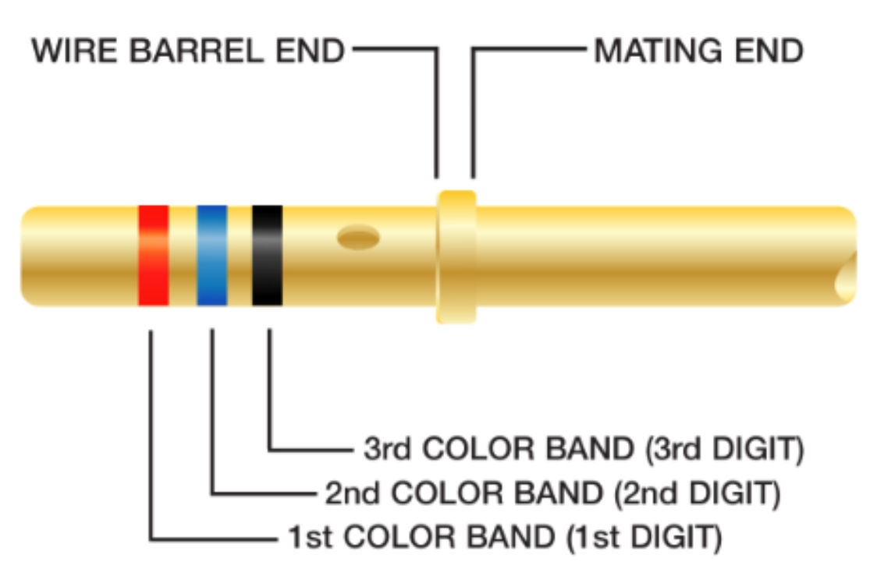
 |  |  |  |  |  |  | Metal Green 1-01

 |  |  |  |  |  |  | Metal Red 1-02

 |  |  |  |  |  |  | Metal Blue 1-03

 |  |  |  |  |  |  | Green 14-01

 |  |  |  |  |  |  | Red 14-02
 |  |  |  |  |  |  |  |  |  | 19-01
 |  |  |  |  |  |  | Blue 14-03

 |  |  |  |  |  |  | Yellow 14-04 |  |  | 19-02

 |  |  |  |  |  |  | Grey 14-05
 |  |  |  |  |  |  |  |  |  | 19-03
 |  |  |  |  |  |  | Big Red 14-06

 |  |  |  |  |  |  |  |  |  | 19-04
...

